Application Screen
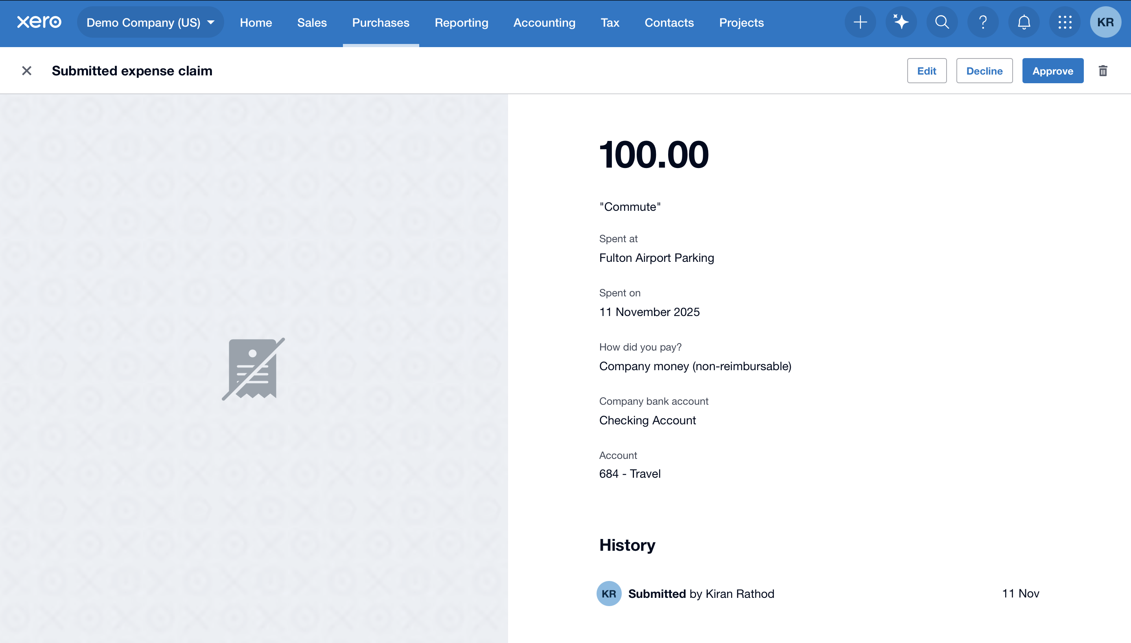

Test Case 10
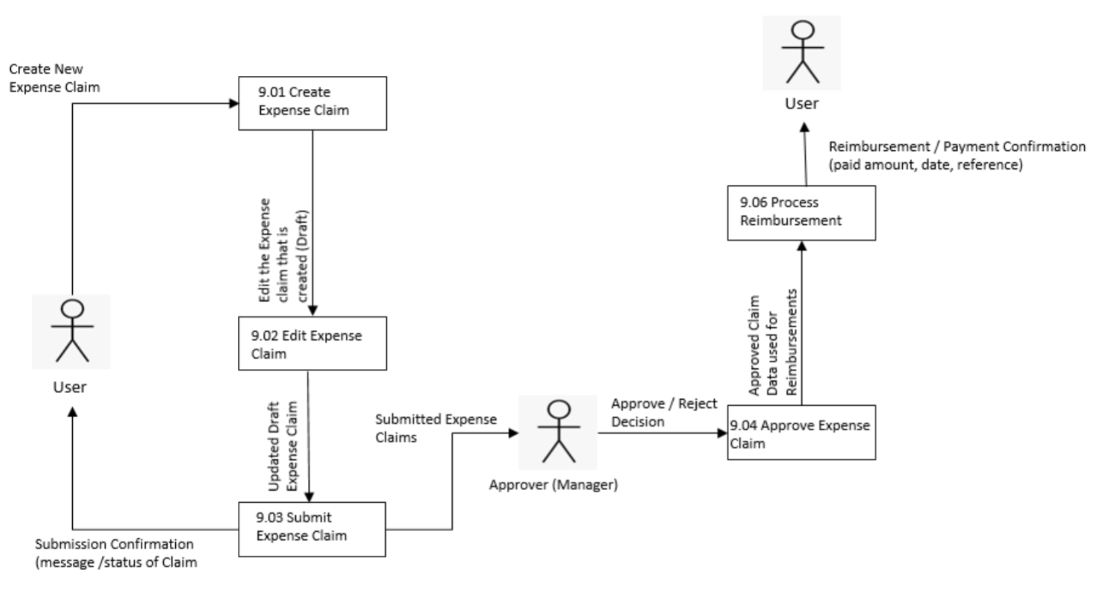
TC Title: | TC10 – Submit expense claim – DF-In (imported line items persist after submission)

TC Objective: | Ensure that all imported line items (via Data Feed or interface) are retained and unchanged after submission.

Test Data (optional): | DF-In claim with multiple imported lines

TC Description
 | Step | Step Description | Expected Results
 | 1 | Log in as Advisor. | Login successful.
 | 2 | Open a Draft DF-In imported claim. | All imported lines visible.
 | 3 | Submit the claim. | Claim submits without data loss.
 | 4 | Reopen Submitted claim. | All imported lines appear unchanged.

